53. ICEBERG
 | ICEBERG
 |  |  |  |  | 804 | 1876 | 2010 | 1340 | 670 | 1500 | 8200 | € 76.06 | € 623,700.00
CODE | SKETCH | STYLE | SERIES | VARIANT | S | M | L | XL | XXL | UNI | TOT ORDER QTY | RRP | TTL RRP | EXW JAFZA - ONLY TAKE ALL
ICE4MTW01 |  | Beach towel | NEW BASIC LOGO | Red |  |  |  |  |  | 500 | 500 | € 50.00 | € 25,000.00
ICE4MTW01 |  | Beach towel | NEW BASIC LOGO | Navy |  |  |  |  |  | 500 | 500 | € 50.00 | € 25,000.00
ICE4MTW01 |  | Beach towel | NEW BASIC LOGO | Black |  |  |  |  |  | 500 | 500 | € 50.00 | € 25,000.00
ICE3MTS01 | 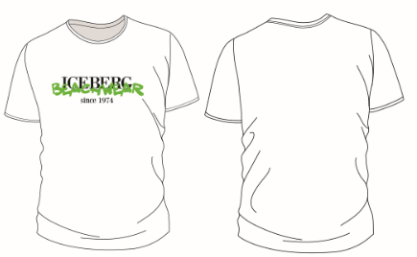 | T-shirt | NEON | White | 60 | 140 | 150 | 100 | 50 |  | 500 | € 75.00 | € 37,500.00
ICE3MTS01 | 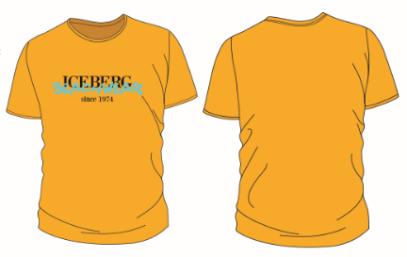 | T-shirt | NEON | Yellow | 24 | 56 | 60 | 40 | 20 |  | 200 | € 75.00 | € 15,000.00
ICE3MTS01 | 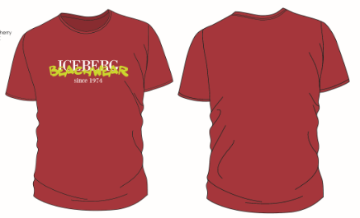 | T-shirt | NEON | Red | 30 | 70 | 75 | 50 | 25 |  | 250 | € 75.00 | € 18,750.00
ICE3MTS01 | 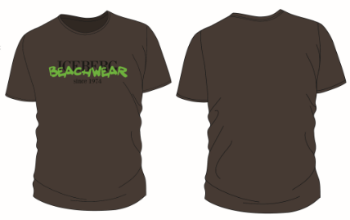 | T-shirt | NEON | Brown | 24 | 56 | 60 | 40 | 20 |  | 200 | € 75.00 | € 15,000.00
ICE3MTS01 | 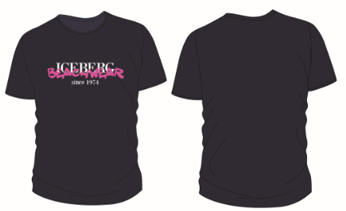 | T-shirt | NEON | Navy | 60 | 140 | 150 | 100 | 50 |  | 500 | € 75.00 | € 37,500.00
ICE3MTS01 | 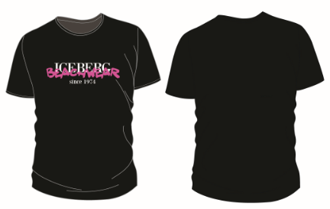 | T-shirt | NEON | Black | 60 | 140 | 150 | 100 | 50 |  | 500 | € 75.00 | € 37,500.00
ICE3MTS02 | 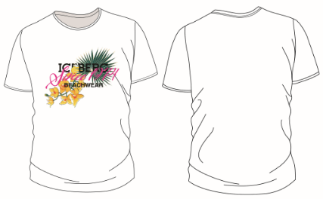 | T-shirt | FLOWER | White | 36 | 84 | 90 | 60 | 30 |  | 300 | € 75.00 | € 22,500.00
ICE3MTS02 | 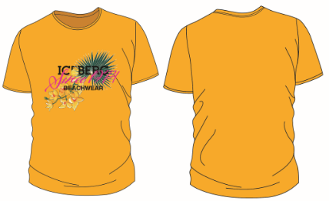 | T-shirt | FLOWER | Yellow | 24 | 56 | 60 | 40 | 20 |  | 200 | € 75.00 | € 15,000.00
ICE3MTS02 | 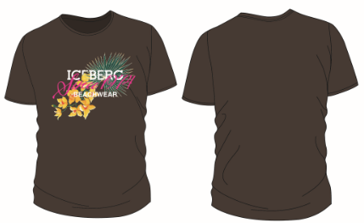 | T-shirt | FLOWER | Brown | 18 | 42 | 45 | 30 | 15 |  | 150 | € 75.00 | € 11,250.00
ICE3MTS02 | 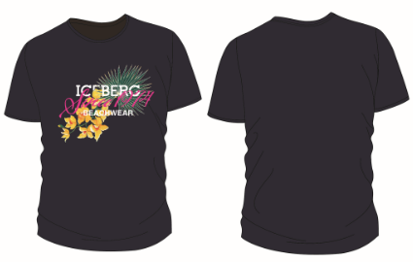 | T-shirt | FLOWER | Navy | 36 | 84 | 90 | 60 | 30 |  | 300 | € 75.00 | € 22,500.00
ICE3MTS02 | 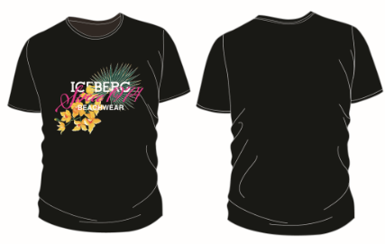 | T-shirt | FLOWER | Black | 36 | 84 | 90 | 60 | 30 |  | 300 | € 75.00 | € 22,500.00
ICE3MPL01 | 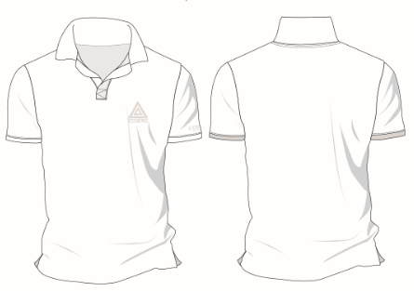 | Polo | TRIANGLE | White | 90 | 210 | 225 | 150 | 75 |  | 750 | € 89.00 | € 66,750.00
ICE3MPL01 | 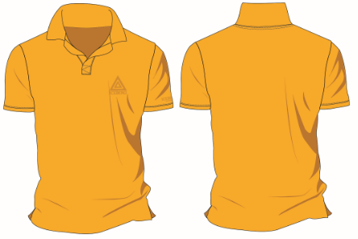 | Polo | TRIANGLE | Yellow | 30 | 70 | 75 | 50 | 25 |  | 250 | € 89.00 | € 22,250.00
ICE3MPL01 | 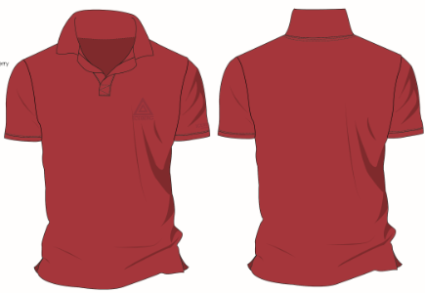 | Polo | TRIANGLE | Red | 48 | 112 | 120 | 80 | 40 |  | 400 | € 89.00 | € 35,600.00
ICE3MPL01 | 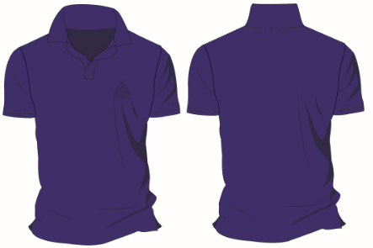 | Polo | TRIANGLE | Blue | 36 | 84 | 90 | 60 | 30 |  | 300 | € 89.00 | € 26,700.00
ICE3MPL01 | 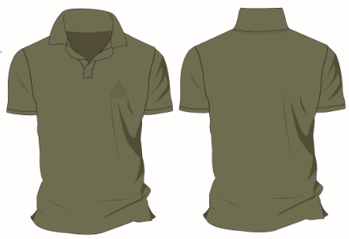 | Polo | TRIANGLE | Military | 30 | 70 | 75 | 50 | 25 |  | 250 | € 89.00 | € 22,250.00
ICE3MPL01 | 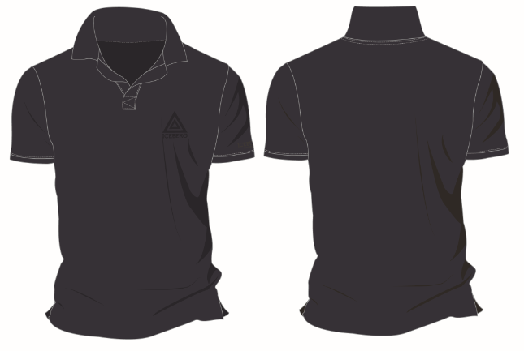 | Polo | TRIANGLE | Navy | 72 | 168 | 180 | 120 | 60 |  | 600 | € 89.00 | € 53,400.00
ICE3MPL01 | 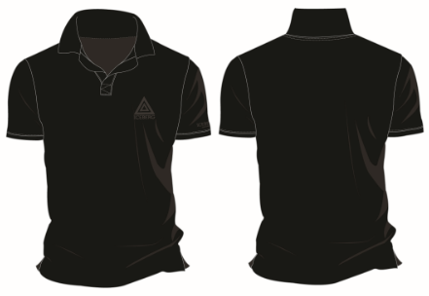 | Polo | TRIANGLE | Black | 90 | 210 | 225 | 150 | 75 |  | 750 | € 89.00 | € 66,750.00

